Stability Figures
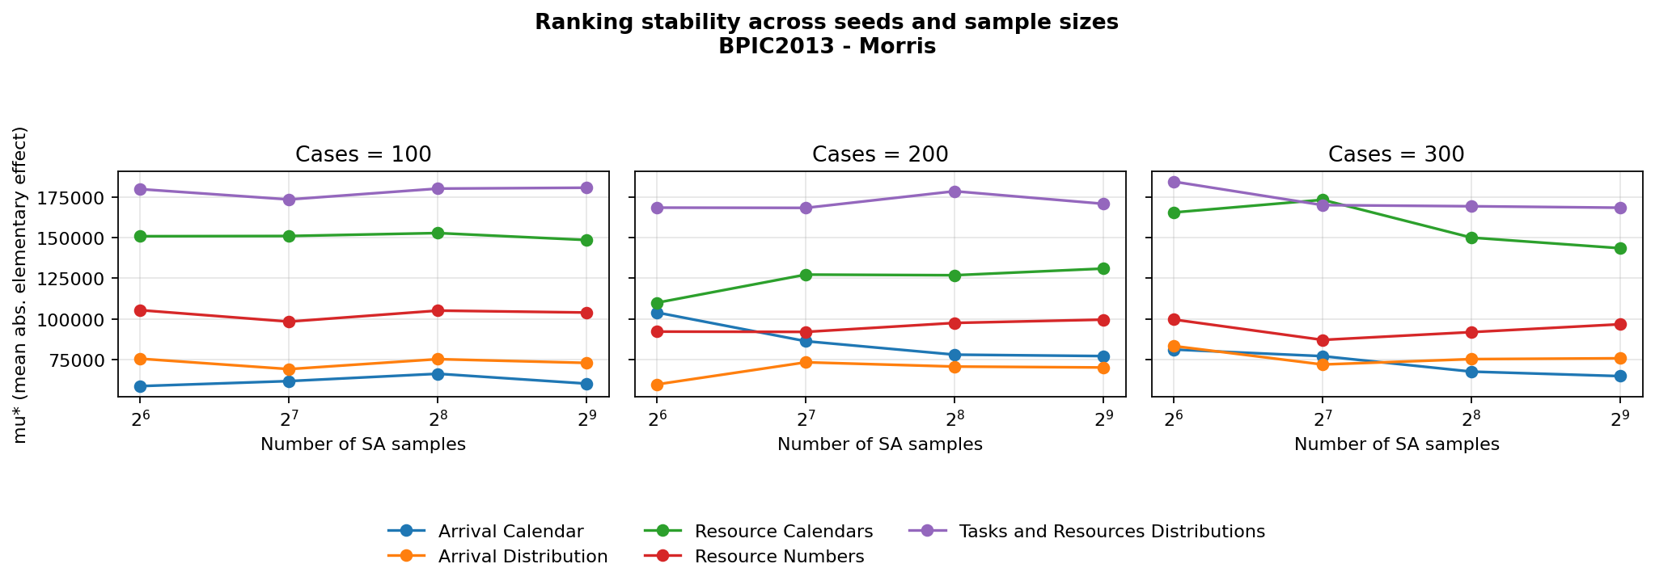
Stability of parameter-group sensitivity indices across seeds (different case/replication counts) and number of SA samples.

BPIC2012 - Sobol
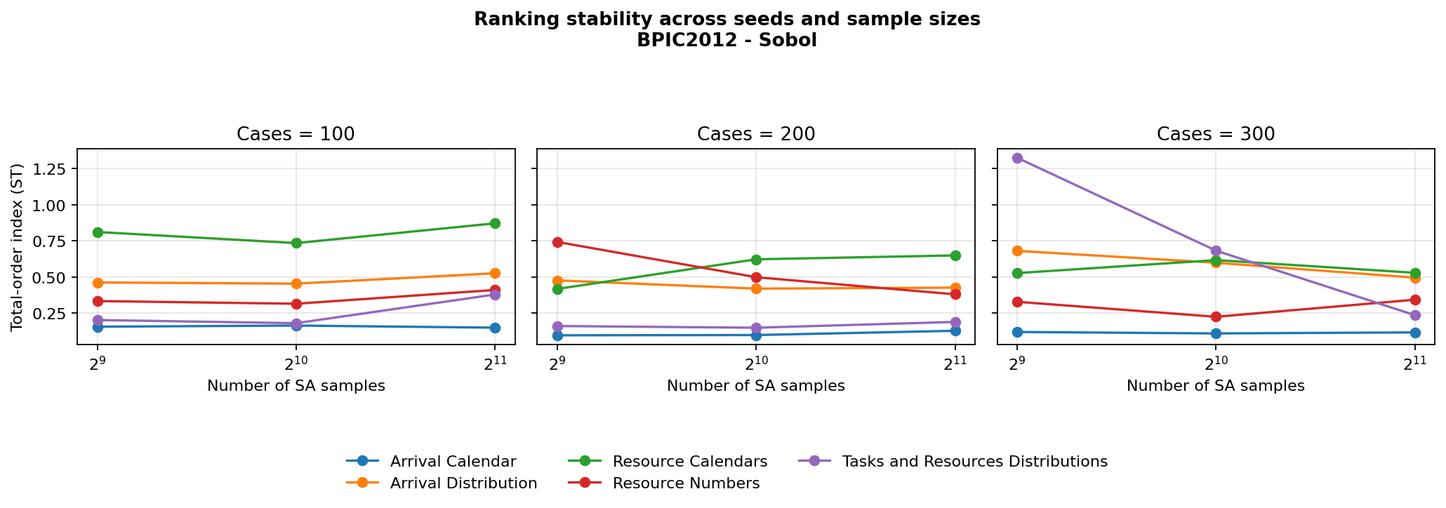

BPIC2012 - Morris
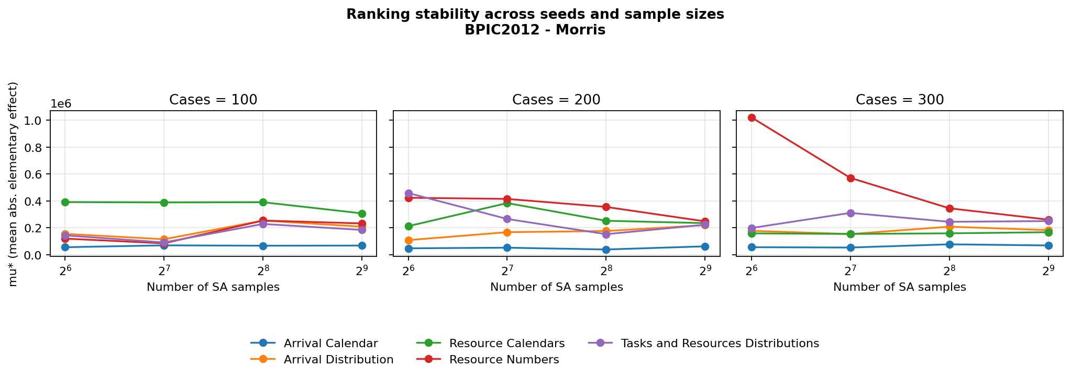

BPIC2017 - Sobol
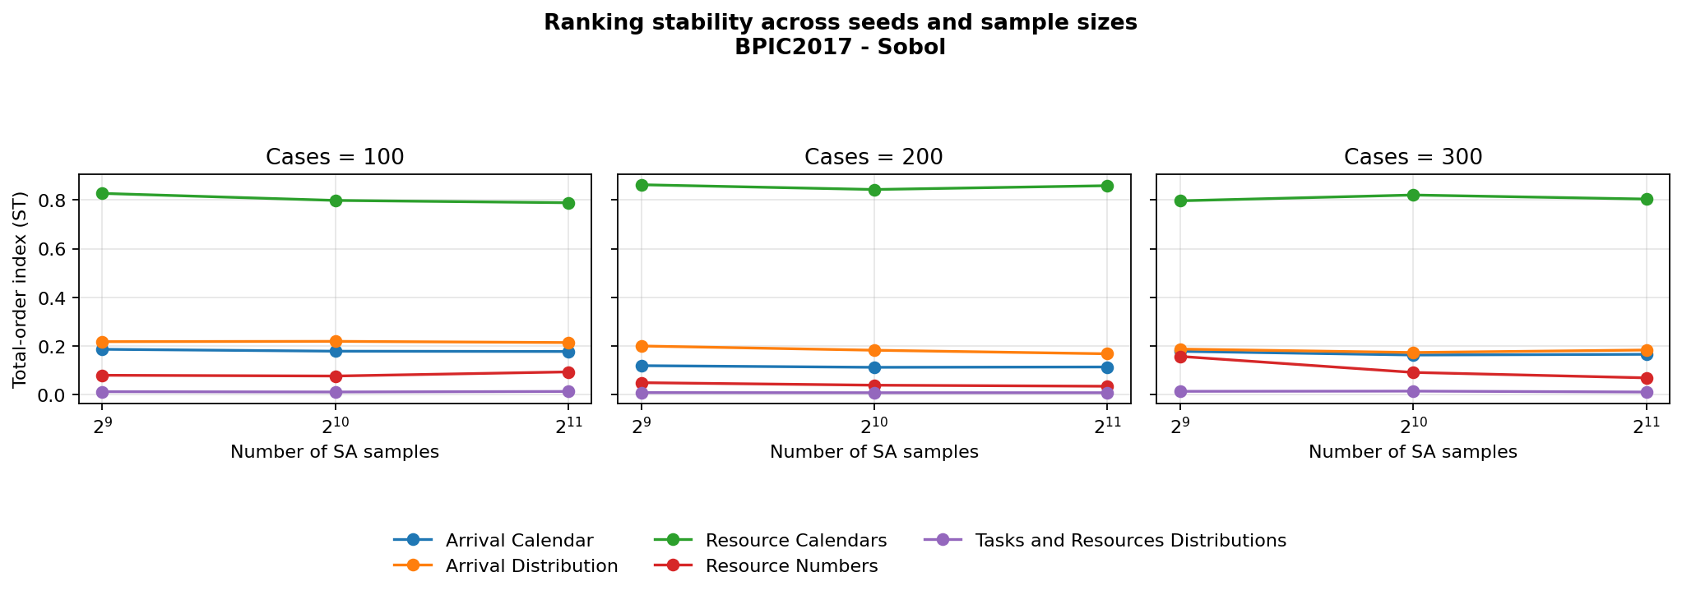

BPIC2017 - Morris
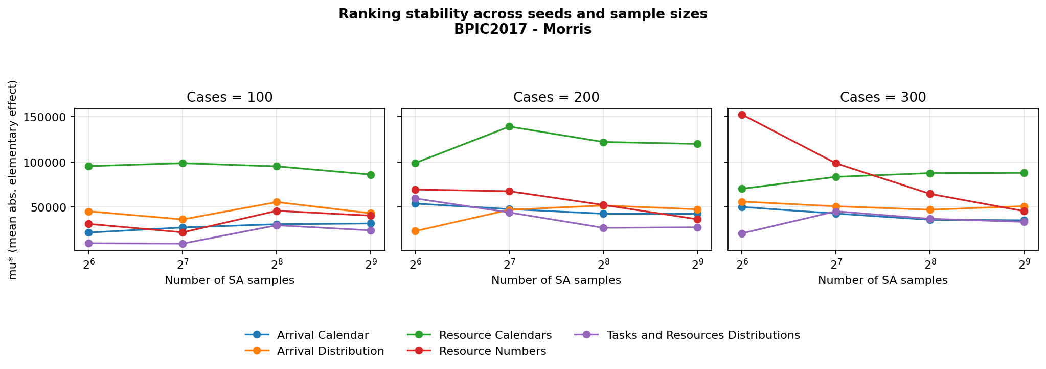

Datamining - Sobol
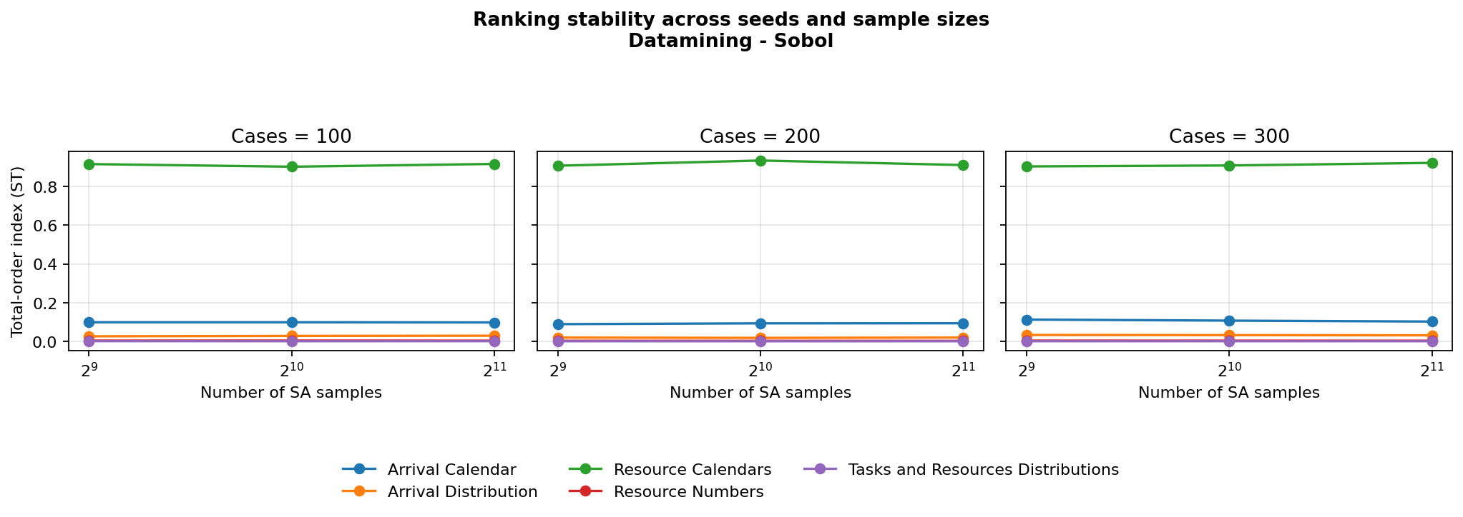

Datamining - Morris
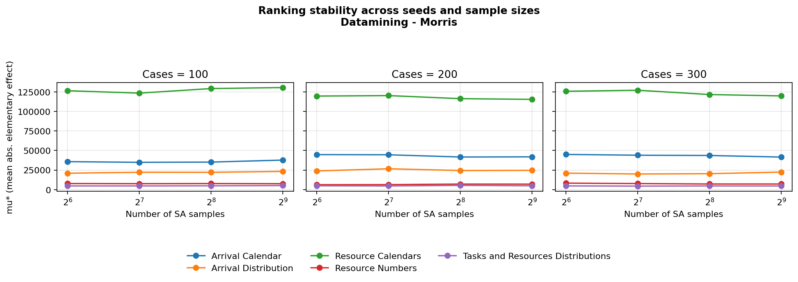

Production - Sobol
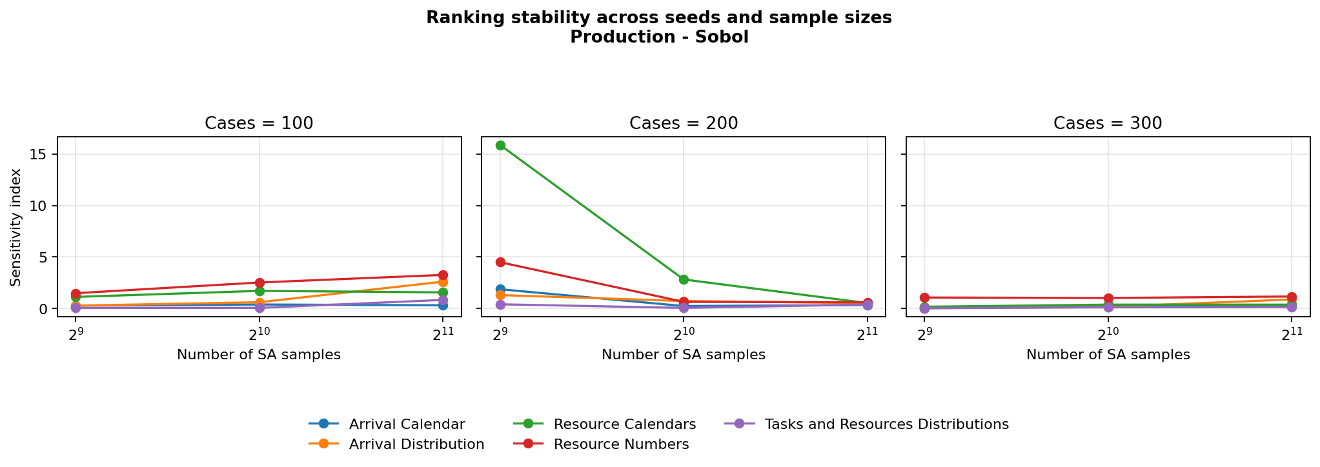

Production - Morris
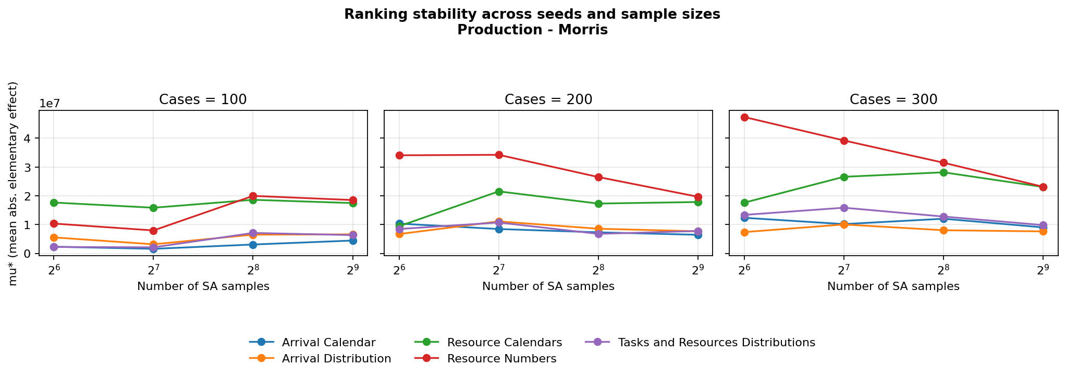

BPIC2013 - Sobol
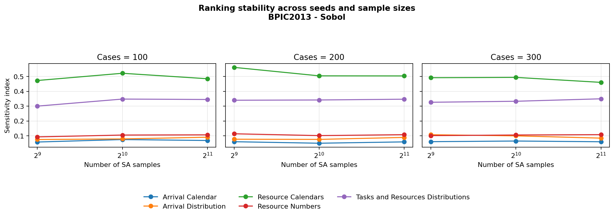

BPIC2013 - Morris

